2. Example - Discont product
How to calculate a NOVEM target and work out if you'll be better off |  |  |  |  |  | v1

Worksheet 2 - Assessing whether switching to NOVEM would be good for you at Target Period 2

 | The calculations below are to be used as a rough guide only. Further data or adjustment of calculations may be needed dependent on your circumstances (this is particularly so for new products).

 | Instructions for completion: Please enter information into the yellow and green cells.

 | EXAMPLE for a company with two sites where a higher degree of energy intensive products are being made at one site and a low energy intensive product has stopped being manufactured at the other |  |  |  |  |  | Your forecast performance with and without the NOVEM is calculated in the blue box below
 |  |  |  |  |  |  | â â â â â â â

 | A) About your Target Unit (TU) |  |  |  |  |  |  | New Targets and prediction of future target period performance based on data provided in (A) - (C)
 |  | Company Name | The Food Company
 |  | Target Unit Reference Number | FDF1/T0999 |  |  |  |  | 1 - Based on current reporting requirements:
 |  | Target Unit Base year: 12 months ending | 2008-12-01 |  |  |  |  | The TU is required to save: 5.000%
 |  |  |  |  |  |  |  | The TU is forecast to decrease in SEC by 0.449% compared base year.
 |  | Target Period target (%) | 5.000% |  |  |  |  | As the target is 5.000%, the TU will fail by 569 tonnes CO2, at a cost of £6,828

 | Based on current reporting requirements: |  |  | TU 12 months ending Dec 08 |  |  |  | 2 - If you switch to a NOVEM target:
 | Base Year | Primary energy | kWh | 37,755,567 | - |  |  | The energy which would have been used in the base year using forecast target period production levels is: 66,802,510.558 kWh
 |  | Total production | tonnes | 54,617 | - |  |  | This is calculated by mulitplying the base year SEC for each product by the target period forecast production and adding them all together.
 |  | Carbon | kgC | 2,034,403 | - |  |  | The TU is required to save: 5.000%
 |  | Specific Energy Consumption (SEC) | kWh/tonne | 691.279 | #DIV/0! |  |  | The energy target based on the NOVEM adjusted base year energy use is: 63,462,385.031 kWh
 |  |  |  |  |  |  |  | The total primary energy use predicted for the target period is: 64,000,000.000 kWh
 |  |  |  |  |  |  |  | The TU is forecast to decrease energy use by 4.195% compared to the revised base year.
 | Target Period Forecast (24 month period) | Primary energy | kWh | 64,000,000 |  |  |  | As the target is 5.000%, the TU will fail by 105 tonnes CO2 at a cost of £1,260
 |  | Total production | tonnes | 93,000
 |  | Carbon | kgC | 3,390,000
 |  | Specific Energy Consumption (SEC) | kWh/tonne | 688.172
 |  | Change between BY and Target Period |  | 0.449% decrease in SEC
 |  |  |  |  |  |  |  |  |  | Checks | Total number of product groups selected | 4 | (a)
 |  | Number of sites in your Target Unit |  | 2 |  |  |  |  |  |  | Product groups names entered | 4 | (b)
EXAMPLE
 |  |  |  | this spreadsheet can currently cope with up to 5 sites, if you have more please ask the help line for a bespoke version |  |  |  |  |  |  | Base Year production info provided for | 4 | (c)
 |  |  |  |  |  |  |  |  |  |  | Base Year energy info provided for | 4 | (d)
 | B) About the sites in your target unit |  |  | Site 1 | Site 2 | Site 3 |  | Site 4 | Site 5 |  | Target Period forecast production info provided for | 4 | (e)
 |  |  |  |  |  |  |  |  |  |  | For the forecast NOVEM result to show, all required data must be entered i.e. (b) (c) (d) and (e) above must all equal (a)
 |  | Site Name |  | Manchester | Leicester
 |  | Facility Reference |  | FDF1/F09998 | FDF1/F09999
 |  | Base Year Primary Energy (exc new products) |  | 23,598,760 | 14,156,807 | 0 |  | 0 | 0
 | C) Data for each product at the site
 | How many product groups apply at this site |  |  | 2 | 2
 |  |  |  | this spreadsheet can currently cope with up to 3 products per site, if you have more please ask the help line for a bespoke version
 | Energy data must include the 'non-specific product energy'

 | Product 1 | Name |  | Chilled Food | Meals
 |  | When has it been produced? |  | Constantly | Constantly
 |  | Base Year Period for this product |  | Same as TU: 12 months ending Dec 08 | Same as TU: 12 months ending Dec 08

 | Base Year (12 month period) | Production | tonnes | 21,467 | 12,654
 |  | Electricity | kWh | 3,364,256 | 3,642,795
 |  | Gas | kWh | 2,526,486 | 1,425,623
 |  | Other (please select) | kWh
 |  | Other (please select) | kWh
 |  | Primary energy | kWh | 11,273,552 | 10,896,890 | - |  | - | -
 |  | Carbon | kgC | 605,177 | 589,125 | - |  | - | -
 |  | Specific Energy Consumption (SEC) | kWh/tonne | 525.157 | 861.142 | #DIV/0! |  | #DIV/0! | #DIV/0!

 | Target Period Forecast | Production (24 months) | tonnes | 35,000 | 23,000

 | Product 2 | Name |  | Frozen Food | Salads
 |  | When has it been produced? |  | Constantly | Stopped after TU base year
 |  | Base Year Period for this product |  | Same as TU: 12 months ending Dec 08 | Same as TU: 12 months ending Dec 08

 | Base Year (12 month period) | Production | tonnes | 15,075 | 5,421
 |  | Electricity | kWh | 3,931,109 | 1,045,643
 |  | Gas | kWh | 2,104,325 | 541,245
 |  | Other (please select) | kWh
 |  | Other (please select) | kWh
 |  | Primary energy | kWh | 12,325,208 | 3,259,917 | - |  | - | -
 |  | Carbon | kgC | 664,329 | 175,772 | - |  | - | -
 |  | Specific Energy Consumption (SEC) | kWh/tonne | 817.593 | 601.350 | #DIV/0! |  | #DIV/0! | #DIV/0!

 | Target Period Forecast | Production (24 months) | tonnes | 35,000 | -

 | Product 3 | Name
 |  | When has it been produced?
 |  | Base Year Period for this product

 | Base Year (12 month period) | Production | tonnes
 |  | Electricity | kWh
 |  | Gas | kWh
 |  | Other (please select) | kWh
 |  | Other (please select) | kWh
 |  | Primary energy | kWh | - | - | - |  | - | -
 |  | Carbon | kgC | - | - | - |  | - | -
 |  | Specific Energy Consumption (SEC) | kWh/tonne | #DIV/0! | #DIV/0! | #DIV/0! |  | #DIV/0! | #DIV/0!

 | Target Period Forecast | Production (24 months) | tonnes

2. Example - New product
How to calculate a NOVEM target and work out if you'll be better off |  |  |  |  |  | v1

Worksheet 2 - Assessing whether switching to NOVEM would be good for you at Target Period 2

 | The calculations below are to be used as a rough guide only. Further data or adjustment of calculations may be needed dependent on your circumstances (this is particularly so for new products).

 | Instructions for completion: Please enter information into the yellow and green cells.

 | EXAMPLE for a company with two sites where a high energy intensive product has started being manufactured atone site and a higher degree of energy intensive products are being made at the other. |  |  |  |  |  | Your APPROXIMATE forecast performance with and without the NOVEM is calculated in the blue box below
 |  |  |  |  |  |  | â â â â â â â

 | A) About your Target Unit (TU) |  |  |  |  |  |  | New Targets and prediction of future target period performance based on data provided in (A) - (C)
 |  | Company Name | The Food Company
 |  | Target Unit Reference Number | FDF1/T0999 |  |  |  |  | 1 - Based on current reporting requirements:
 |  | Target Unit Base year: 12 months ending | 2008-12-01 |  |  |  |  | The TU is required to save: 5.000%
 |  |  |  |  |  |  |  | The TU is forecast to increase in SEC by 7.517% compared base year.
 |  | Target Period target (%) | 5.000% |  |  |  |  | As the target is 5.000%, the TU will fail by 1,448 tonnes CO2, at a cost of £17,376

 | Based on current reporting requirements: |  |  | TU 12 months ending Dec 08 | Base Year for new product |  |  | 2 - If you switch to a NOVEM target:
 | Base Year | Primary energy | kWh | 26,858,677 | 10,896,890 |  |  | The energy which would have been used in the revised base lines using forecast target period production levels is: 66,802,510.558 kWh
 |  | Total production | tonnes | 41,963 | 12,654 |  |  | This is calculated by mulitplying the base year SEC for each product by the target period forecast production and adding them all together.
 |  | Carbon | kgC | 1,445,278 | 589,125 |  |  | The TU is required to save: 5.000%
 |  | Specific Energy Consumption (SEC) | kWh/tonne | 640.056 | 861.142 |  |  | The energy target based on the NOVEM adjusted base year energy use is: 63,462,385.031 kWh
 |  |  |  |  |  |  |  | The total primary energy use predicted for the target period is: 64,000,000.000 kWh
 |  |  |  |  |  |  |  | The TU is forecast to decrease energy use by 4.195% compared to the revised base year.
 | Target Period Forecast (24 month period) | Primary energy | kWh | 64,000,000 |  |  |  | As the target is 5.000%, the TU will fail by 105 tonnes CO2 at a cost of £1,260
 |  | Total production | tonnes | 93,000
 |  | Carbon | kgC | 3,390,000
 |  | Specific Energy Consumption (SEC) | kWh/tonne | 688.172
 |  | Change between BY and Target Period |  | 7.517% increase in SEC
 |  |  |  |  |  |  |  |  |  | Checks | Total number of product groups selected | 4 | (a)
EXAMPLE
 |  | Number of sites in your Target Unit |  | 2 |  |  |  |  |  |  | Product groups names entered | 4 | (b)
 |  |  |  | this spreadsheet can currently cope with up to 5 sites, if you have more please ask the help line for a bespoke version |  |  |  |  |  |  | Base Year production info provided for | 4 | (c)
 |  |  |  |  |  |  |  |  |  |  | Base Year energy info provided for | 4 | (d)
 | B) About the sites in your target unit |  |  | Site 1 | Site 2 | Site 3 |  | Site 4 | Site 5 |  | Target Period forecast production info provided for | 4 | (e)
 |  |  |  |  |  |  |  |  |  |  | For the forecast NOVEM result to show, all required data must be entered i.e. (b) (c) (d) and (e) above must all equal (a)
 |  | Site Name |  | Manchester | Leicester
 |  | Facility Reference |  | FDF1/F09998 | FDF1/F09999
 |  | Base Year Primary Energy (exc new products) |  | 23,598,760 | 3,259,917 | 0 |  | 0 | 0
 | C) Data for each product at the site
 | How many product groups apply at this site |  |  | 2 | 2
 |  |  |  | this spreadsheet can currently cope with up to 3 products per site, if you have more please ask the help line for a bespoke version
 | Energy data must include the 'non-specific product energy'

 | Product 1 | Name |  | Chilled Food | Meals
 |  | When has it been produced? |  | Constantly | Started after TU base year
 |  | Base Year Period for this product |  | Same as TU: 12 months ending Dec 08 | Must set a base year for this product
 |  | Base Year Period for this product is 12 months ending |  |  | 2010-12-01

 | Base Year (12 month period) | Production | tonnes | 21,467 | 12,654
 |  | Electricity | kWh | 3,364,256 | 3,642,795
 |  | Gas | kWh | 2,526,486 | 1,425,623
 |  | Other (please select) | kWh
 |  | Other (please select) | kWh
 |  | Primary energy | kWh | 11,273,552 | 10,896,890 | - |  | - | -
 |  | Carbon | kgC | 605,177 | 589,125 | - |  | - | -
 |  | Specific Energy Consumption (SEC) | kWh/tonne | 525.157 | 861.142 | #DIV/0! |  | #DIV/0! | #DIV/0!

 | Target Period Forecast | Production (24 months) | tonnes | 35,000 | 23,000

 | Product 2 | Name |  | Frozen Food | Salads
 |  | When has it been produced? |  | Constantly | Constantly
 |  | Base Year Period for this product |  | Same as TU: 12 months ending Dec 08 | Same as TU: 12 months ending Dec 08
 |  |  |  |  | 2010-12-01

 | Base Year (12 month period) | Production | tonnes | 15,075 | 5,421
 |  | Electricity | kWh | 3,931,109 | 1,045,643
 |  | Gas | kWh | 2,104,325 | 541,245
 |  | Other (please select) | kWh
 |  | Other (please select) | kWh
 |  | Primary energy | kWh | 12,325,208 | 3,259,917 | - |  | - | -
 |  | Carbon | kgC | 664,329 | 175,772 | - |  | - | -
 |  | Specific Energy Consumption (SEC) | kWh/tonne | 817.593 | 601.350 | #DIV/0! |  | #DIV/0! | #DIV/0!

 | Target Period Forecast | Production (24 months) | tonnes | 35,000 | -

 | Product 3 | Name
 |  | When has it been produced?
 |  | Base Year Period for this product

 | Base Year (12 month period) | Production | tonnes
 |  | Electricity | kWh
 |  | Gas | kWh
 |  | Other (please select) | kWh
 |  | Other (please select) | kWh
 |  | Primary energy | kWh | - | - | - |  | - | -
 |  | Carbon | kgC | - | - | - |  | - | -
 |  | Specific Energy Consumption (SEC) | kWh/tonne | #DIV/0! | #DIV/0! | #DIV/0! |  | #DIV/0! | #DIV/0!

 | Target Period Forecast | Production (24 months) | tonnes

3. Finding yellow info
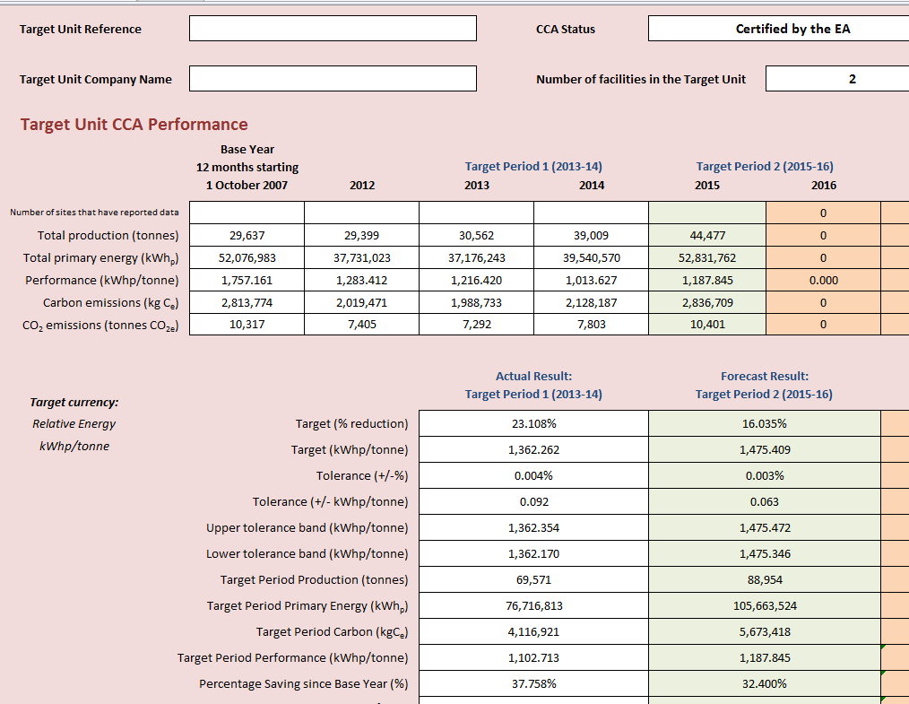

This is a screen shot from the 'CCA Performance all years' worksheet in the CCA Target Period reporting spreadsheet.

To complete the yellow cells in Worksheet 2 of this spreadsheet, use the numbers highlighted by the red boxes

